Product Catalog
Item# | Description | Image | CsPk | Qty | Link | Price | Offer

JUHX670924BK | Juicy Couture 2pc Black Twist Soft Headband and Scrunchie Set with Rhinestone Juicy Logo (No UPC, Item Number on Polybag only) Peg Card | 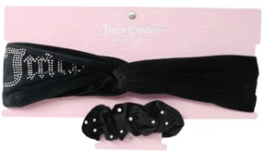 | 144 | 4,359 | ebay $20.21 ref only | $2.35
JUHX670912BK | Juicy Couture 2pc Black Velvet Twist Soft Headband with Sequin Juicy Logo and Bunny Ears Scrunchie Set (No UPC, Item Number on Polybag only) Peg Card | 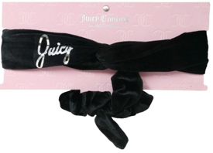 | 108 | 5,997 |  | $2.35
JUHX670912BR | Juicy Couture 2pc Brown Velvet Twist Soft Headband with Sequin Juicy Logo and Bunny Ears Scrunchie Set (No UPC, Item Number on Polybag only) Peg Card | 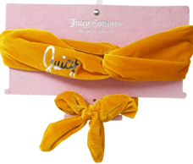 | 108 | 790 |  | $2.35
JUH670924CR | Juicy Couture 2pc Cream Twist Soft Headband and Scrunchie Set with Rhinestone Juicy Logo (No UPC, Item Number on Polybag only) Peg Card | 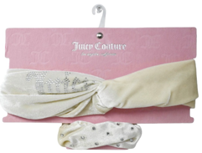 | 144 | 465 |  | $2.35
JUHX670924HP | Juicy Couture 2pc Hot Pink Twist Soft Headband and Scrunchie Set with Rhinestone Juicy Logo (No UPC, Item Number on Polybag only) Peg Card | 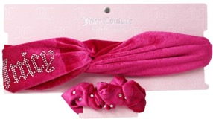 | 144 | 5,873 |  | $2.35
JUHX673554LB | Juicy Couture 2pc Light Blue Juicy Couture Logo Hearts Headband and Bunny Ears Scrunchie Set (No UPC, Item Number on Polybag only) Peg Card | 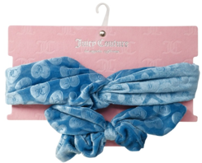 | 108 | 1,988 |  | $2.35
JUHX670922LB | Juicy Couture 2pc Light Blue Twist Soft Headband and Scrunchie Set with Juicy Logo (No UPC, Item Number on Polybag only) Peg Card | 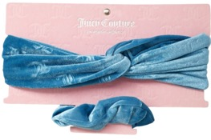 | 108 | 1,488 |  | $2.35
JUHX673554LP | Juicy Couture 2pc Light Pink Juicy Couture Logo Hearts Headband and Bunny Ears Scrunchie Set (No UPC, Item Number on Polybag only) Peg Card | 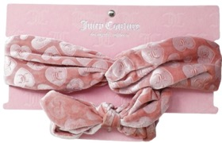 | 108 | 1,993 |  | $2.35
JUHX670912LP | Juicy Couture 2pc Light Pink Velvet Twist Soft Headband with Sequin Juicy Logo and Bunny Ears Scrunchie Set (No UPC, Item Number on Polybag only) Peg Card | 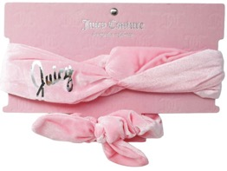 | 144 | 717 |  | $2.35
JUHX673553NB | Juicy Couture 2pc Navy Blue Juicy Couture Logo Headband and Scrunchie Set (No UPC, Item Number on Polybag only) Peg Card | 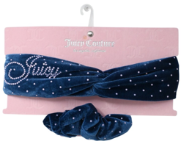 | 108 | 757 |  | $2.35
JUHX673553PK | Juicy Couture 2pc Pink Juicy Couture Logo Headband and Scrunchie Set (No UPC, Item Number on Polybag only) Peg Card | 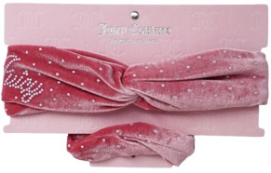 | 108 | 1,304 |  | $2.35
JUHX670922WT | Juicy Couture 2pc White Twist Soft Headband and Scrunchie Set with Juicy Logo (No UPC, Item Number on Polybag only) Peg Card | 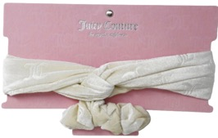 | 108 | 1,444 |  | $2.35
ASBMHX686517 | Badgley Mischka 2pc Rhinestone Fashion Bow Hair Scrunchies Set (No UPC, Item Number on Polybag only) Peg Card | 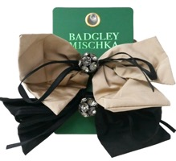 | 216 | 2,176 | poshmark.ca C$29 ref only 1 ribbon same brand | $2.35
ASBMHX679650-M | Badgley Mischka 2pc Fabric Bow Scrunchies Set (No UPC, Item Number on Polybag only) Peg Card |  | 216 | 1,276 | walmart $9.72 similar but diff brand | $2.35
ASBMHX682425-M | Badgley Mischka Bow Hair Clip with Stones (No UPC, Item Number on Polybag only) Peg Card | 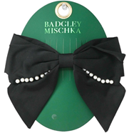 | 180 | 2,001 |  | $2.35
ASBMH671163BK | Badgley Mischka Double Velvet Ribbon Bow and Mesh Inside Bow with Long French Hair Barrette (No UPC, Item Number on Polybag only) Peg Card | 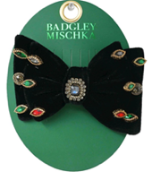 | 108 | 346 |  | $2.35
ASBMHX686516 | Badgley Mischka Fashion Bow Claw Clip (No UPC, Item Number on Polybag only) Peg Card |  | 144 | 2,201 |  | $2.35
ASBMHX662026 | Badgley Mischka Rhinestone Bow Hair Barrette (No UPC, Item Number on Polybag only) Peg Card |  | 144 | 447 |  | $2.35
ASBMHX683210RH | Badgley Mischka Rhinestone Paddle Headband (No UPC, Item Number on Polybag only) Peg Card C/P 108 | 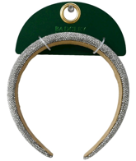 | 108 | 2,062 |  | $2.35
ASBMHX686518 | Badgley Mischka 2pc Rhinestone Fashion Bow Rose Hair Clips Set (No UPC, Item Number on Polybag only) Peg Card |  | 252 | 1,739 | poshmark.ca C$29 ref only 1 ribbon same brand | $2.35
ASBMH685148 | Badgley Mischka 2pc Casted Rhinestone 8cm Bow Hair Clips Set (No UPC, Item Number on Polybag only) Peg Card |  | 288 | 1,917 | ebay $8.00 ref only | $2.35
ASBMHX672622-MBKBU | Badgley Mischka 3pc Bows with Stones Set (No UPC, Item Number on Polybag only) Peg Card |  | 72 | 324 |  | $2.35
ASBMH674727M | Badgley Mischka 3pc Hair Claw Clips Set (No UPC, Item Number on Polybag only) Peg Card |  | 72 | 417 |  | $2.35
ASKSH677914GDM | Kensie 3pc Alloy Teddy Bear Claw Hair Clips Set (No UPC, Item Number on Polybag only) Peg Card |  | 36 | 3,505 | ebay $20.87 ref only | $2.35
ASKSH675218GDM | Kensie 4pc Cat Face Shape Hair Clip Set (No UPC, Item Number on Polybag only) Peg Card | 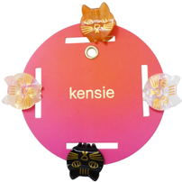 | 108 | 2,805 |  | $2.35
ASKSH678168GDM | Kensie 4pc Alloy Claw Hair Clips Set (No UPC, Item Number on Polybag only) Peg Card | 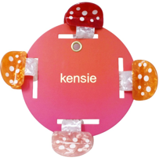 | 108 | 3,939 |  | $2.35
ASKSHX672637-M | Kensie 4pc Hair Clips Set (No UPC, Item Number on Polybag only) Peg Card |  | 36 | 500 |  | $2.35
ASBMHX686520 | Badgley Mischka 4pc Rhinestone Fashion Hair Clip and Scrunchie Set (No UPC, Item Number on Polybag only) Peg Card | 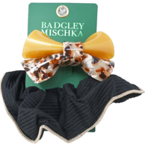 | 144 | 2,556 | $9.99 | $2.35
JUHX670904BK | Juicy Couture Black Velvet Bow Hair Barrette Clip with Rhinestones and Juicy Logo (No UPC, Item Number on Polybag only) Peg Card |  | 216 | 4,101 |  | $2.35
JUH670905BLSH | Juicy Couture Blush Velvet Bow Hair Scrunchie with Rhinestone Chain and JC Logo (No UPC, Item Number on Polybag only) Peg Card |  | 144 | 4,000 |  | $2.35
ASNTB687025RHM | Nastya 2pc Rhodium Cherries Besties Beaded Share with a Friend Bracelet Set (No UPC, Item Number on Polybag only) Peg Card | 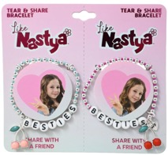 | 432 | 1,992 | amazon $8.99 ref only | $1.55
ASNTB687024GDRH | Nastya 2pc Gold Rhodium Crescent Star with Casted Stone Besties Beaded Share with a Friend Bracelet Set (No UPC, Item Number on Polybag only) Peg Card | 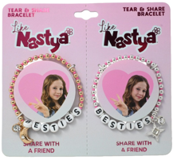 | 432 | 1,991 |  | $1.55
ASNTB687011GDRE | Nastya 2pc Red Strawberry BFF Duo Bracelet Set (No UPC, Item Number on Polybag only) Peg Card | 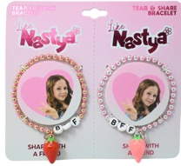 | 432 | 1,995 |  | $1.55
ASNTB686945GDVL | Nastya 2pc Heart BFF Charm Violet Beaded Bracelet Set (No UPC, Item Number on Polybag only) Peg Card | 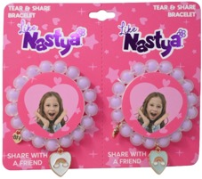 | 36 | 795 |  | $1.55
ASNTS686928GDPK | Nastya 6pc Gold Beaded Besties Pink Heart Charm Bracelet Set (No UPC, Item Number on Polybag only) Peg Card | 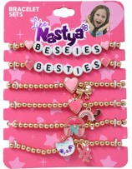 | 504 | 1,990 |  | $1.55
ASNTS686963RHRE | Nastya 7pc Red Cherry Black Cord Bracelet, Stud Earring and Hair Clip Set (No UPC, Item Number on Polybag only) Peg Card |  | 432 | 1,494 |  | $1.55
ASNTS686933GDRE | Nastya 9pc Heart Flower Crescent Star Pearl Stud Earrings & Red Heart Bow Hair Clip Set (No UPC, Item Number on Polybag only) Peg Card |  | 180 | 832 |  | $1.55
ASNTS686935GDLB | Nastya 9pc Pink Butterfly Crown Flower Earring Set & Light Blue Heart Bow Set (No UPC, Item Number on Polybag only) Peg Card |  | 144 | 797 |  | $1.55
ASNTS686992GDVL | Nastya 9pc Star Drop Apple Flower ABC Star Pearl Stud Earrings & Violet Heart Bow Hair Clip Set (No UPC, Item Number on Polybag only) Peg Card |  | 144 | 800 |  | $1.55
ASNTS686934GDPK | Nastya 9pc Star Music Note Bow Pearl Stud Earrings & Pink Heart Bow Hair Clip Set (No UPC, Item Number on Polybag only) Peg Card |  | 180 | 1,196 |  | $1.55
ASNTB686959GDVL | Nastya Violet Beaded Heart Cat Charm Bracelet (No UPC, Item Number on Polybag only) Peg Card |  | 288 | 1,191 |  | $1.55
ASNTB686958GDPK | Nastya Multi-Charm Cat Star Heart Butterfly Flower Pink Beaded Stretch Bracelet (No UPC, Item Number on Polybag only) Peg Card |  | 432 | 1,993 |  | $1.55
 |  |  |  | 80,553

